Data set 1
This data shows a Russian source DoS attack against our honeypot. Valid traffic from two other sources (Italy and Singapore) is accessing the honeypot at the same time.
DoS attack data - fall capping project

time | Source IP |  | weights |  |  |  | nodes | 0 | 1 | 2 | 3 | 4 | 5 | 6 | 7 | 8 | 9 | 10 | 11
 |  |  |  |  |  |  | 0 | 0 | 5 | 1 | 1 | 5 | 5 | 5 | 1 | 5 | 5 | 5 | 1
92.64153 | 185.22.173.161:10010 | Russian Federation | 5 |  |  |  | 1 | 5 | 0 | 0 | 0 | 5 | 5 | 5 | 0 | 5 | 5 | 5 | 0
93.61072 | 185.22.173.161:10010 | Russian Federation | 5 |  |  |  | 2 | 1 | 0 | 0 | 0 | 0 | 0 | 0 | 1 | 0 | 0 | 0 | 0
94.1002 | 185.22.173.161:10010 | Russian Federation | 5 |  |  |  | 3 | 1 | 0 | 0 | 0 | 0 | 0 | 0 | 0 | 0 | 0 | 0 | 1
94.13531 | 185.22.173.161:10010 | Russian Federation | 5 |  |  |  | 4 | 5 | 5 | 0 | 0 | 0 | 0 | 0 | 0 | 0 | 0 | 0 | 0
91.57494 | 185.22.173.161:10010 | Russian Federation | 5 |  |  |  | 5 | 5 | 5 | 0 | 0 | 0 | 0 | 0 | 0 | 0 | 0 | 0 | 0
94.3239 | 185.22.173.161:10010 | Russian Federation | 5 |  |  |  | 6 | 5 | 5 | 0 | 0 | 0 | 0 | 0 | 0 | 0 | 0 | 0 | 0
 |  |  |  |  |  |  | 7 | 1 | 1 | 1 | 0 | 0 | 0 | 0 | 0 | 0 | 0 | 0 | 0
 |  |  |  |  |  |  | 8 | 5 | 5 | 0 | 0 | 0 | 0 | 0 | 0 | 0 | 0 | 0 | 0
94.00983 | 212.237.36.234:3128 | Italy | 1 |  |  |  | 9 | 5 | 5 | 0 | 0 | 0 | 0 | 0 | 0 | 0 | 0 | 0 | 0
95.57484 | 207.148.127.165:3128 | Singapore | 1 |  |  |  | 10 | 5 | 5 | 0 | 0 | 0 | 0 | 0 | 0 | 0 | 0 | 0 | 0
 |  |  |  |  |  |  | 11 | 1 | 1 | 0 | 1 | 0 | 0 | 0 | 0 | 0 | 0 | 0 | 0
Destination IP remains constant (for example, 1.1.1.1 for an open source DNS)
 |  |  |  |  | elist = [(0,1,5),(0,2,1),(0,3,1),(0,4,5),(0,5,5),(0,6,5),(0,7,1),(0,8,5),(0,9,5),(0,10,5),(0,11,1),(1,4,5),(1,5,5),(1,6,5),(1,8,5),(1,9,5),(1,10,5),(2,7,1),(3,11,1)]
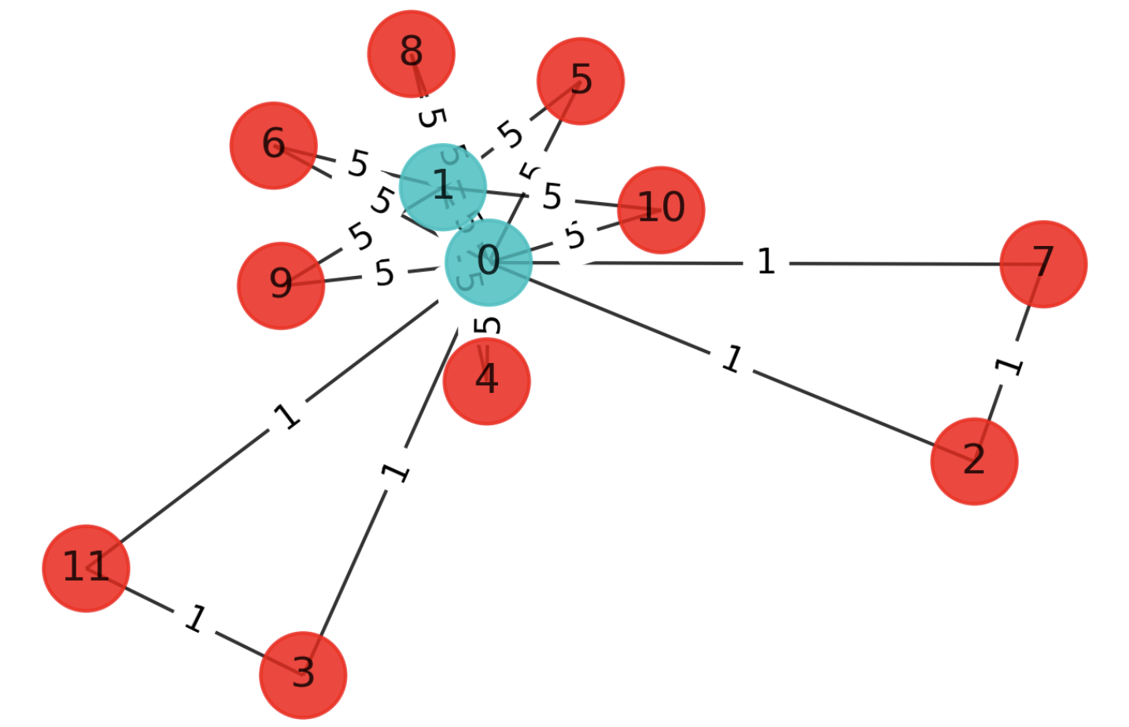
 |  |  |  | Testing Outputs
 |  |  |  | 1st | Best solution = [1, 1, 0, 0, 0, 0, 0, 0, 0, 0, 0, 0] cost = 64.0
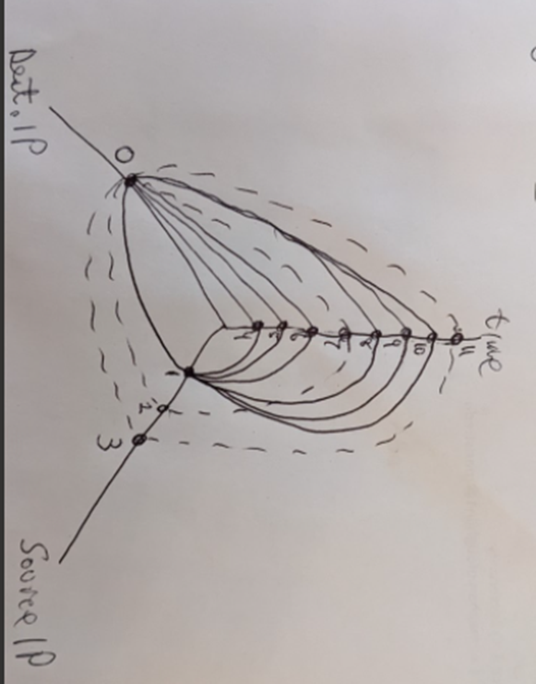

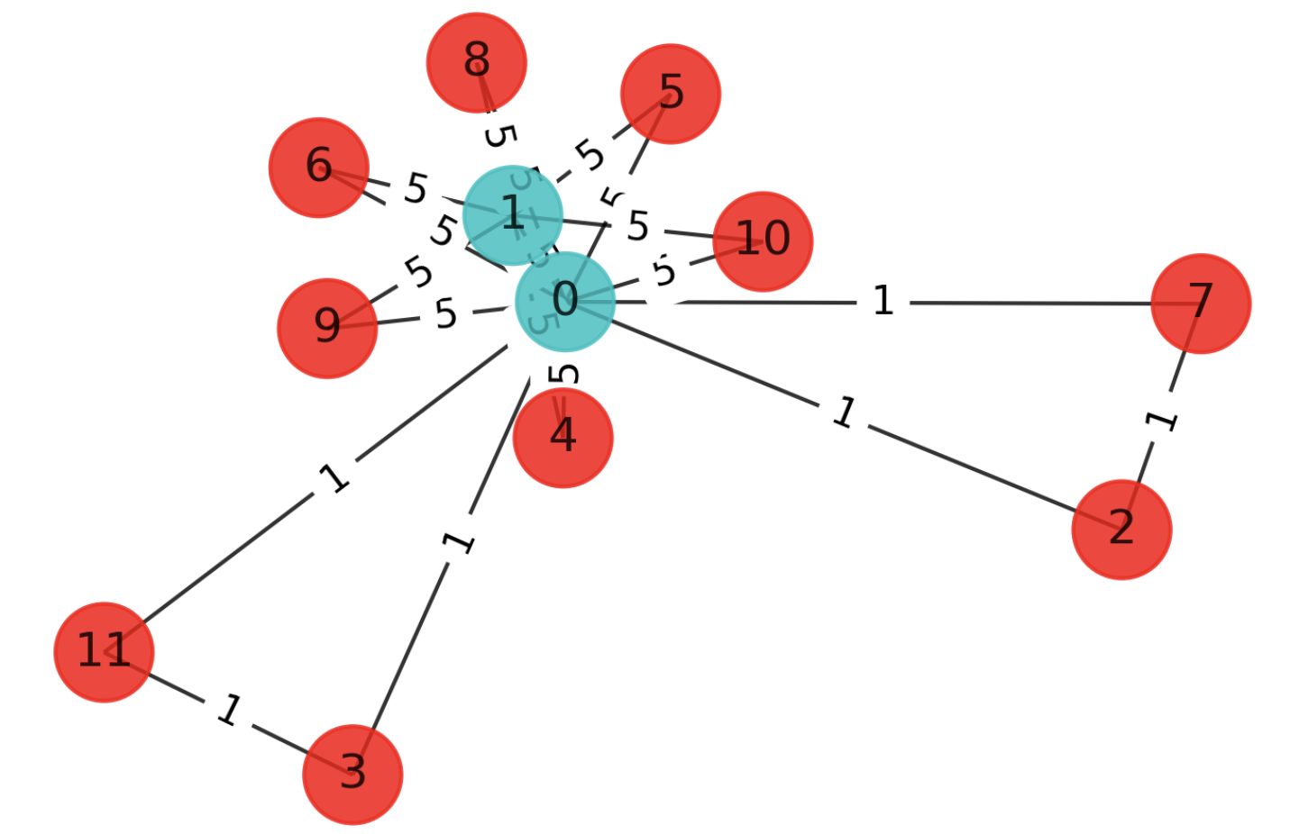
 |  |  |  |  | 2nd | solution: [1, 1, 0, 0, 0, 0, 0, 0, 0, 0, 0, 0], [0, 0, 1, 1, 1, 1, 1, 1, 1, 1, 1, 1]
 |  |  |  |  |  | Max-cut cost: 64.0
 |  |  |  |  |  | Time: 440.36846232414246 seconds

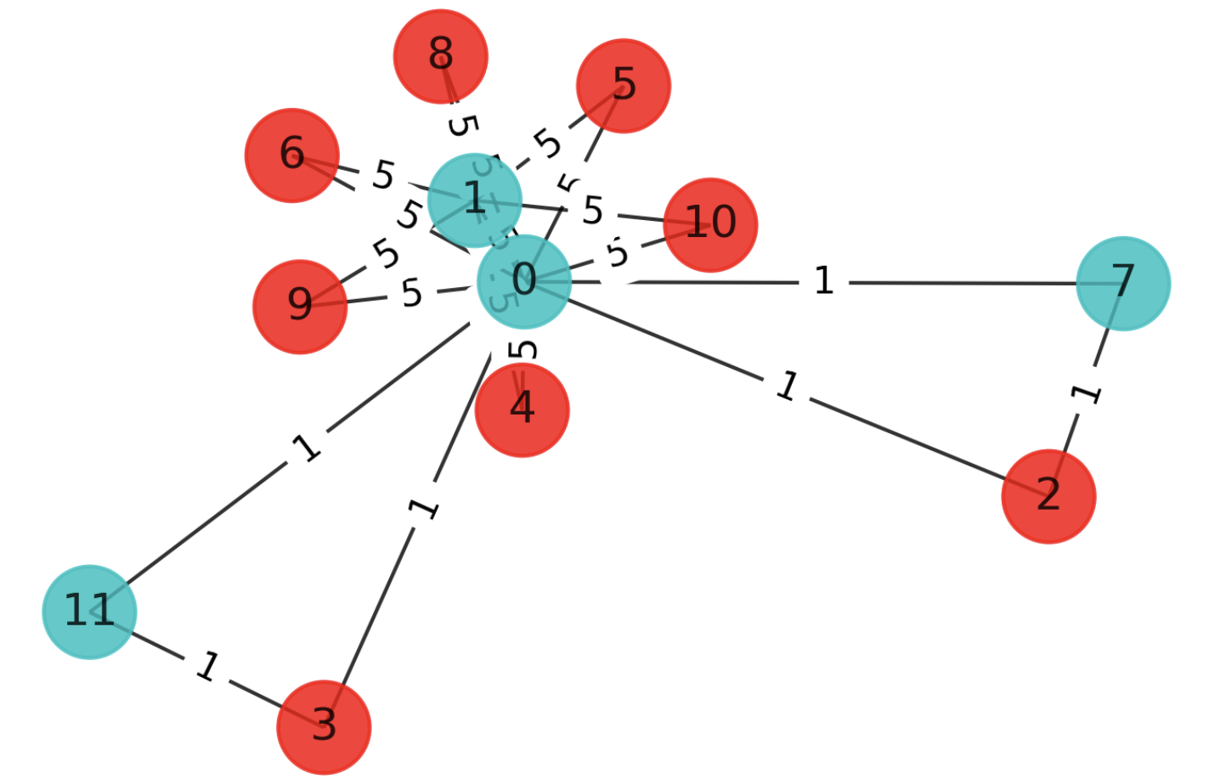

 |  |  |  |  | VQE but wrong
 |  |  |  |  | 3rd | energy: -14.725293433887142
 |  |  |  |  |  | time: 97.79126596450806
 |  |  |  |  |  | max-cut objective: -50.225293433887146
 |  |  |  |  |  | solution: [1. 1. 0. 0. 0. 0. 0. 1. 0. 0. 0. 1.]
 |  |  |  |  |  | solution objective: 64.0

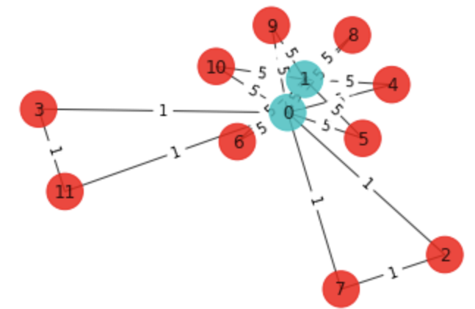
 |  |  |  | VQE Test
 |  |  |  |  | 1st | Best solution = [1, 1, 0, 0, 0, 0, 0, 0, 0, 0, 0, 0] cost = 64.0

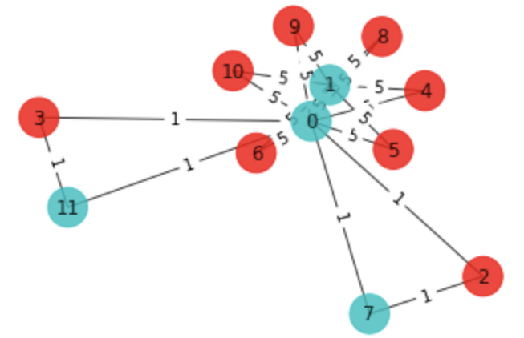
 |  |  |  |  | 2nd | energy: -14.725293433887142
 |  |  |  |  |  | time: 92.06927537918091
 |  |  |  |  |  | max-cut objective: -50.225293433887146
 |  |  |  |  |  | solution: [1. 1. 0. 0. 0. 0. 0. 1. 0. 0. 0. 1.]
 |  |  |  |  |  | solution objective: 64.0

Data set 2
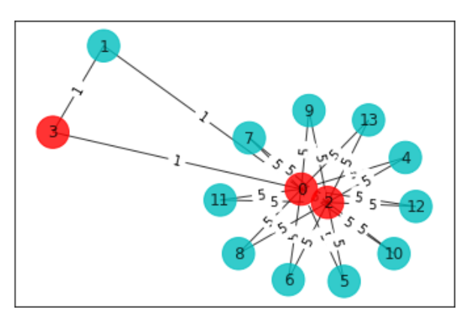
Data set 2
From honeynet spreadsheet data2.csv attacks near row 273914 |  |  |  |  |  |  |  | matrix
This data represents a DoS attack on our honeypot from the UK, one valid access attempt from the US |  |  |  |  |  |  |  |  | 0 | 1 | 2 | 3 | 4 | 5 | 6 | 7 | 8 | 9 | 10 | 11 | 12 | 13
 |  |  | time | IP |  | weights |  | 0 | 0 | 1 | 5 | 1 | 5 | 5 | 5 | 5 | 5 | 5 | 5 | 5 | 5 | 5
0 | 1005 | 18 | 71.5284824 | 159.65.186.239:3128 | United States | 1 |  | 1 | 1 | 0 | 0 | 1 | 0 | 0 | 0 | 0 | 0 | 0 | 0 | 0 | 0 | 0
 |  |  |  |  |  |  |  | 2 | 5 | 0 | 0 | 0 | 5 | 5 | 5 | 5 | 5 | 5 | 5 | 5 | 5 | 5
1 | 998 | 224 | 69.61277074 | 178.62.73.143:80 | United Kingdom | 5 |  | 3 | 1 | 1 | 0 |  | 0 | 0 | 0 | 0 | 0 | 0 | 0 | 0 | 0 | 0
1 | 998 | 226 | 69.77090327 | 178.62.73.143:80 | United Kingdom | 5 |  | 4 | 5 | 0 | 5 | 0 | 0 | 0 | 0 | 0 | 0 | 0 | 0 | 0 | 0 | 0
1 | 998 | 227 | 69.84763188 | 178.62.73.143:80 | United Kingdom | 5 |  | 5 | 5 | 0 | 5 | 0 | 0 | 0 | 0 | 0 | 0 | 0 | 0 | 0 | 0 | 0
1 | 998 | 234 | 71.53171158 | 178.62.73.143:80 | United Kingdom | 5 |  | 6 | 5 | 0 | 5 | 0 | 0 | 0 | 0 | 0 | 0 | 0 | 0 | 0 | 0 | 0
1 | 998 | 236 | 71.70959693 | 178.62.73.143:80 | United Kingdom | 5 |  | 7 | 5 | 0 | 5 | 0 | 0 | 0 | 0 | 0 | 0 | 0 | 0 | 0 | 0 | 0
1 | 998 | 238 | 71.90511304 | 178.62.73.143:80 | United Kingdom | 5 |  | 8 | 5 | 0 | 5 | 0 | 0 | 0 | 0 | 0 | 0 | 0 | 0 | 0 | 0 | 0
1 | 998 | 239 | 72.6519467 | 178.62.73.143:80 | United Kingdom | 5 |  | 9 | 5 | 0 | 5 | 0 | 0 | 0 | 0 | 0 | 0 | 0 | 0 | 0 | 0 | 0
1 | 998 | 241 | 72.6886236 | 178.62.73.143:80 | United Kingdom | 5 |  | 10 | 5 | 0 | 5 | 0 | 0 | 0 | 0 | 0 | 0 | 0 | 0 | 0 | 0 | 0
1 | 998 | 244 | 74.32993419 | 178.62.73.143:80 | United Kingdom | 5 |  | 11 | 5 | 0 | 5 | 0 | 0 | 0 | 0 | 0 | 0 | 0 | 0 | 0 | 0 | 0
1 | 998 | 245 | 74.79703428 | 178.62.73.143:80 | United Kingdom | 5 |  | 12 | 5 | 0 | 5 | 0 | 0 | 0 | 0 | 0 | 0 | 0 | 0 | 0 | 0 | 0
 |  |  |  |  |  |  |  | 13 | 5 | 0 | 5 | 0 | 0 | 0 | 0 | 0 | 0 | 0 | 0 | 0 | 0 | 0
all attacking the same honeynet node as in data set 1
 |  |  |  |  |  |  | elist thing | [(0,1,1),(0,2,5),(0,3,1),(0,4,5),(0,5,5),(0,6,5),(0,7,5),(0,8,5),(0,9,5),(0,10,5),(0,11,5),(0,12,5),(0,13,5),(1,3,1),(2,4,5),(2,5,5),(2,6,5),(2,7,5),(2,8,5),(2,9,5),(2,10,5),(2,11,5),(2,12,5),(2,13,5)]
attack duration |  | 5.18426

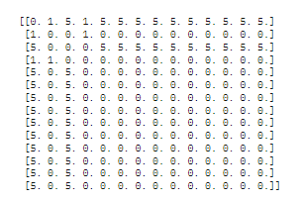
picture

 |  |  |  | Best solution = [1, 1, 0, 0, 0, 0, 0, 0, 0, 0, 0, 0, 0, 0] cost = 102.0

 |  |  |  | vqe Best solution = [1, 1, 1, 0, 0, 0, 0, 0, 0, 0, 0, 0, 0, 0] cost = 102.0

 | Quantum Approximate Optimization Algorithm (QAOA): Solution: [1, 0, 1, 0, 0, 0, 0, 0, 0, 0, 0, 0, 0, 0], [0, 1, 0, 1, 1, 1, 1, 1, 1, 1, 1, 1, 1, 1] Max-cut cost: 102.0 Time: 4734.404313087463 seconds

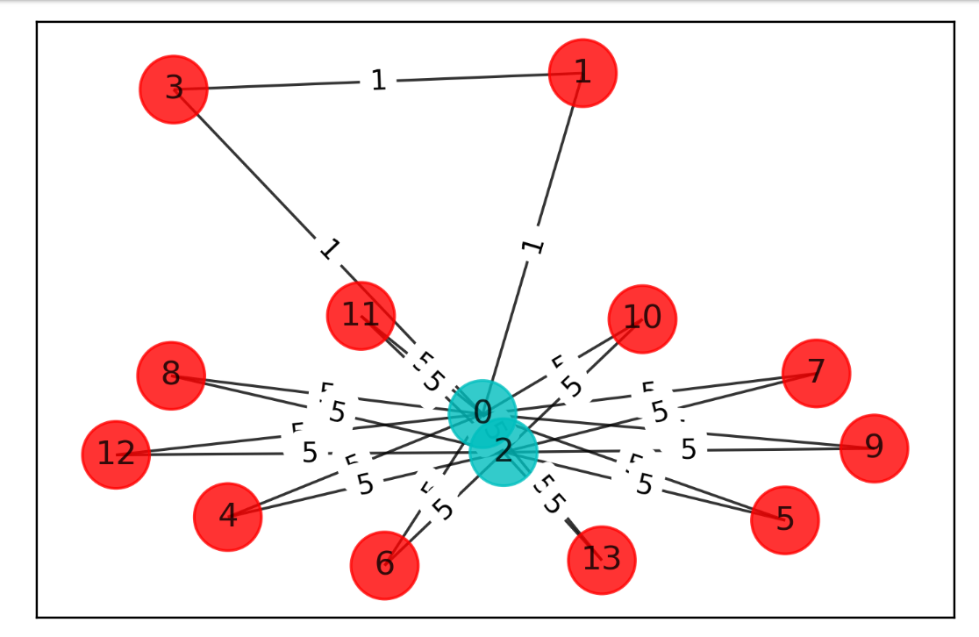

VQE
energy: -27.622464339773373 time: 1368.042825460434 max-cut objective: -81.62246433977337 solution: [0. 1. 0. 0. 1. 1. 1. 1. 1. 1. 1. 1. 1. 1.] solution objective: 102.0

Data set 3
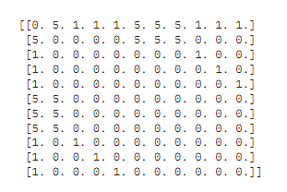
data set 3
This data represents a DoS attack on our honeypot with 3 valid attempts at the same time |  |  |  |  |  | matrix | i changed the matrix, it might be wrong now
 |  |  |  |  |  |  | 0 | 1 | 2 | 3 | 4 | 5 | 6 | 7 | 8 | 9 | 10
 |  |  |  |  |  | 0 | 0 | 5 | 1 | 1 | 1 | 5 | 5 | 5 | 1 | 1 | 1
 |  |  |  |  |  | 1 | 5 | 0 | 0 | 0 | 0 | 5 | 5 | 5 | 0 | 0 | 0
Time | IP |  | weights |  |  | 2 | 1 | 0 | 0 | 0 | 0 | 0 | 0 | 0 | 1 | 0 | 0
93.39698227 | 142.93.3.154:8080 | CA | 5 |  |  | 3 | 1 | 0 | 0 | 0 | 0 | 0 | 0 | 0 | 0 | 0 | 0
96.41953269 | 142.93.3.154:8080 | CA | 5 |  |  | 4 | 1 | 0 | 0 | 0 | 0 | 0 | 0 | 0 | 0 | 0 | 0
97.79978407 | 142.93.3.154:8080 | CA | 5 |  |  | 5 | 5 | 5 | 0 | 0 | 0 | 0 | 0 | 0 | 0 | 0 | 0
 |  |  |  |  |  | 6 | 5 | 5 | 0 | 0 | 0 | 0 | 0 | 0 | 0 | 0 | 0
 |  |  |  |  |  | 7 | 5 | 5 | 0 | 0 | 5 | 0 | 0 | 0 | 0 | 0 | 0
normal traffic |  |  |  |  |  | 8 | 1 | 0 | 1 | 0 | 0 | 0 | 0 | 0 | 0 | 0 | 0
95.25127066 | 43.224.180.214:8080 | India | 1 |  |  | 9 | 1 | 0 | 0 | 1 | 0 | 0 | 0 | 0 | 0 | 0 | 0
93.38780276 | 50.28.48.83:8080 | United States | 1 |  |  | 10 | 1 | 0 | 0 | 0 | 1 | 0 | 0 | 0 | 0 | 0 | 0
92.0308 | 40.118.127.197 | Netherlands | 1
 |  |  |  |  | ELIST | [(0,5,1),(0,6,1),(0,7,5),(0,8,1),(0,9,5),(0,10,5),(1,8,1),(2,6,1),(3,5,1),(4,7,5),(4,9,5),(4,10,5)]
attack duration |  | 5.76898 |  |  | elist 2 | [(0,1,5),(0,2,1),(0,3,1),(0,4,1),(0,5,5),(0,6,5),(0,7,5),(0,8,1),(0,9,1),(0,10,1),(1,5,5),(1,6,5),(1,7,5),(2,8,1),(3,9,1),(4,10,1)]

 |  |  |  | Best solution = [1, 1, 0, 0, 0, 0, 0, 0, 0, 0, 0] cost = 36.0

Data set 4
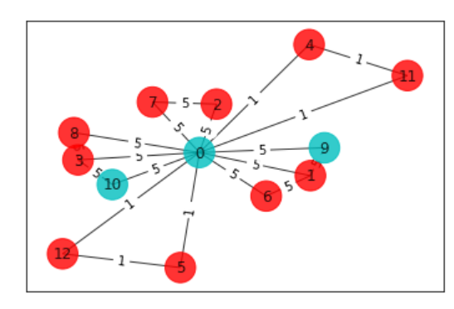
This data represents a DDoS attack on our honeypot with 2 normal traffic attempts at the same time

time | IP |  | weight |  | 0 | 1 | 2 | 3 | 4 | 5 | 6 | 7 | 8 | 9 | 10 | 11 | 12
55.42083 | 142.93.3.154:8080 | CA | 5 | 0 | 0 | 5 | 5 | 5 | 1 | 1 | 5 | 5 | 5 | 5 | 5 | 1 | 1
55.68148 | 45.79.67.84:80 | United States | 5 | 1 | 5 | 0 | 0 | 0 | 0 | 0 | 5 | 0 | 0 | 5 | 0 | 0 | 0
55.90252 | 93.179.202.24:41258 | Poland | 5 | 2 | 5 | 0 | 0 | 0 | 0 | 0 | 0 | 5 | 0 | 0 | 0 | 0 | 0
57.37546 | 142.93.3.154:8080 | CA | 5 | 3 | 5 | 0 | 0 | 0 | 0 | 0 | 0 | 0 | 5 | 0 | 5 | 0 | 0
57.73618 | 93.179.202.24:41258 | Poland | 5 | 4 | 1 | 0 | 0 | 0 | 0 | 0 | 0 | 0 | 0 | 0 | 0 | 1 | 0
 |  |  |  | 5 | 1 | 0 | 0 | 0 | 0 | 0 | 0 | 0 | 0 | 0 | 0 | 0 | 1
normal traffic |  |  |  | 6 | 5 | 5 | 0 | 0 | 0 | 0 | 0 | 0 | 0 | 0 | 0 | 0 | 0
54.63153 | 149.28.57.219:80 | United States | 1 | 7 | 5 | 0 | 5 | 0 | 0 | 0 | 0 | 0 | 0 | 0 | 0 | 0 | 0
55.13279 | 142.93.3.154:8080 | CA | 1 | 8 | 5 | 0 | 0 | 5 | 0 | 0 | 0 | 0 | 0 | 0 | 0 | 0 | 0
 |  |  |  | 9 | 5 | 5 | 0 | 0 | 0 | 0 | 0 | 0 | 0 | 0 | 0 | 0 | 0
attack duration |  | 3.11 |  | 10 | 5 | 0 | 0 | 5 | 0 | 0 | 0 | 0 | 0 | 0 | 0 | 0 | 0
 |  |  |  | 11 | 1 | 0 | 0 | 0 | 1 | 0 | 0 | 0 | 0 | 0 | 0 | 0 | 0
 |  |  |  | 12 | 1 | 0 | 0 | 0 | 0 | 1 | 0 | 0 | 0 | 0 | 0 | 0 | 0
 |  | 1 CA
 |  | 2 US
 |  | 3 Polamd
 |  | 4 US 2

elist = [(0,1,5),(0,2,5),(0,3,5),(0,4,1),(0,5,1),(0,6,5),(0,7,5),(0,8,5),(0,9,5),(0,10,5),(0,11,1),(0,12,1),(1,6,5),(1,9,5),(2,7,5),(3,8,5),(3,10,5),(4,11,1),(5,12,1)]
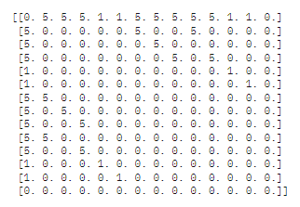

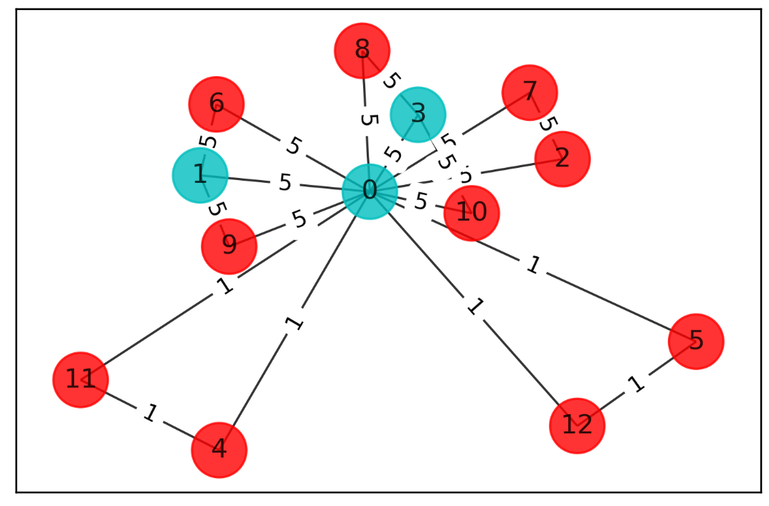

 | Best solution = [1, 1, 0, 1, 0, 0, 0, 0, 0, 0, 0, 0, 0] cost = 54.0

Quantum Approximate Optimization Algorithm (QAOA): Solution: [1, 1, 0, 1, 0, 0, 0, 0, 0, 0, 0, 0, 0], [0, 0, 1, 0, 1, 1, 1, 1, 1, 1, 1, 1, 1] Max-cut cost: 54.0 Time: 1151.2973883152008 seconds

QAOA

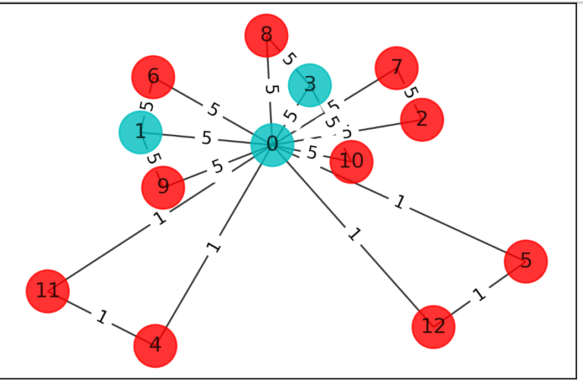

VQE
energy: -8.342483416953495 time: 353.33870029449463 max-cut objective: -43.8424834169535 solution: [1. 0. 0. 0. 0. 0. 0. 0. 0. 1. 1. 0. 0.] solution objective: 44.0

Best solution = [1, 1, 0, 1, 0, 0, 0, 0, 0, 0, 0, 0, 0] cost = 54.0

Data set 5
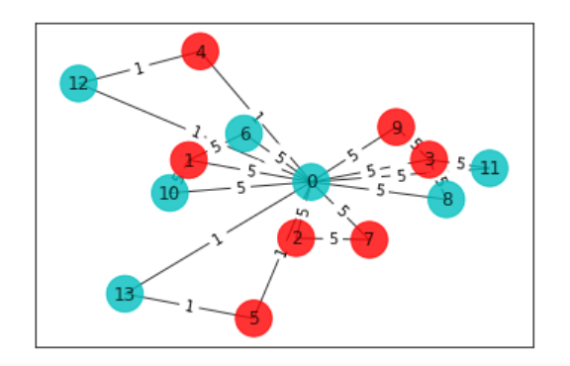
 |  | 0 | 1 | 2 | 3 | 4 | 5 | 6 | 7 | 8 | 9 | 10 | 11 | 12 | 13 | 14 | 15 | 17 | 18
 | 0 | 0 | 0 | 0 | 0 | 0 | 0 | 0 | 5 | 5 | 5 | 5 | 5 | 5 | 5 | 5 | 5 | 1 | 1 |  | time | IP |  | weight
 | 1 | 0 | 0 | 0 | 0 | 0 | 0 | 0 | 5 | 0 | 0 | 0 | 5 | 0 | 0 | 0 | 5 | 0 | 0 | x | 73.52511967 | 93.179.202.24:41258 | Poland | 5
 | 2 | 0 | 0 | 0 | 0 | 0 | 0 | 0 | 0 | 5 | 0 | 0 | 0 | 0 | 0 | 5 | 0 | 0 | 0 |  | 74.35400525 | 45.79.67.84:80 | United States | 5
 | 3 | 0 | 0 | 0 | 0 | 0 | 0 | 0 | 0 | 0 | 5 | 0 | 0 | 5 | 0 | 0 | 0 | 0 | 0 |  | 74.80171334 | 188.94.192.201 | CH | 5
 | 4 | 0 | 0 | 0 | 0 | 0 | 0 | 0 | 0 | 0 | 0 | 5 | 0 | 0 | 5 | 0 | 0 | 0 | 0 |  | 75.35083321 | 142.93.3.154:8080 | CA | 5
 | 5 | 0 | 0 | 0 | 0 | 0 | 0 | 0 | 0 | 0 | 0 | 0 | 0 | 0 | 0 | 0 | 0 | 1 | 0 | x | 76.21554849 | 93.179.202.24:41258 | Poland | 5
 | 6 | 0 | 0 | 0 | 0 | 0 | 0 | 0 | 0 | 0 | 0 | 0 | 0 | 0 | 0 | 0 | 0 | 0 | 1 | x | 80.87403702 | 188.94.192.201 | CH | 5
 | 7 | 5 | 5 | 0 | 0 | 0 | 0 | 0 | 0 | 0 | 0 | 0 | 0 | 0 | 0 | 0 | 0 | 0 | 0 |  | 83.41638057 | 142.93.3.154:8080 | CA | 5
 | 8 | 5 | 0 | 5 | 0 | 0 | 0 | 0 | 0 | 0 | 0 | 0 | 0 | 0 | 0 | 0 | 0 | 0 | 0 |  | 91.0413734 | 149.28.57.219:80 | United States | 5
 | 9 | 5 | 0 | 0 | 5 | 0 | 0 | 0 | 0 | 0 | 0 | 0 | 0 | 0 | 0 | 0 | 0 | 0 | 0 | x | 92.55448694 | 93.179.202.24:41258 | Poland | 5
 | 10 | 5 | 0 | 0 | 0 | 5 | 0 | 0 | 0 | 0 | 0 | 0 | 0 | 0 | 0 | 0 | 0 | 0 | 0 |  | 93.39698227 | 142.93.3.154:8080 | CA | 5
 | 11 | 5 | 5 | 0 | 0 | 0 | 0 | 0 | 0 | 0 | 0 | 0 | 0 | 0 | 0 | 0 | 0 | 0 | 0
 | 12 | 5 | 0 | 0 | 5 | 0 | 0 | 0 | 0 | 0 | 0 | 0 | 0 | 0 | 0 | 0 | 0 | 0 | 0
 | 13 | 5 | 0 | 0 | 0 | 5 | 0 | 0 | 0 | 0 | 0 | 0 | 0 | 0 | 0 | 0 | 0 | 0 | 0 |  | 77.326707 | 172.104.186.253 | Singapore | 1
 | 14 | 5 | 0 | 5 | 0 | 0 | 0 | 0 | 0 | 0 | 0 | 0 | 0 | 0 | 0 | 0 | 0 | 0 | 0 |  | 84.7143177 | 95.208.208.237 | Germany | 1
 | 15 | 5 | 5 | 0 | 0 | 0 | 0 | 0 | 0 | 0 | 0 | 0 | 0 | 0 | 0 | 0 | 0 | 0 | 0
 | 16 | 5 | 0 | 0 | 0 | 5 | 0 | 0 | 0 | 0 | 0 | 0 | 0 | 0 | 0 | 0 | 0 | 0 | 0
 | 17 | 1 | 0 | 0 | 0 | 0 | 1 | 0 | 0 | 0 | 0 | 0 | 0 | 0 | 0 | 0 | 0 | 0 | 0
 | 18 | 1 | 0 | 0 | 0 | 0 | 0 | 1 | 0 | 0 | 0 | 0 | 0 | 0 | 0 | 0 | 0 | 0 | 0

 |  | [(0,7,5), (0,8,5), (0,9,5), (0,10,5), (0,11,5), (0,12,5), (0,13,5), (0,14,5), (0,16,5), (0,17,1), (0,18,1), (1,7,5), (1,11,5), (1,15,5), (2,8,5), (2,14,5), (3,9,5), (3,12,5), (4,10,5), (4,13,5), (4,16,5), (5,17,1), (6,18,1)]

 |  | Best solution = [1, 1, 1, 1, 1, 1, 1, 0, 0, 0, 0, 0, 0, 0, 0, 0, 0, 0, 0] cost = 99.0
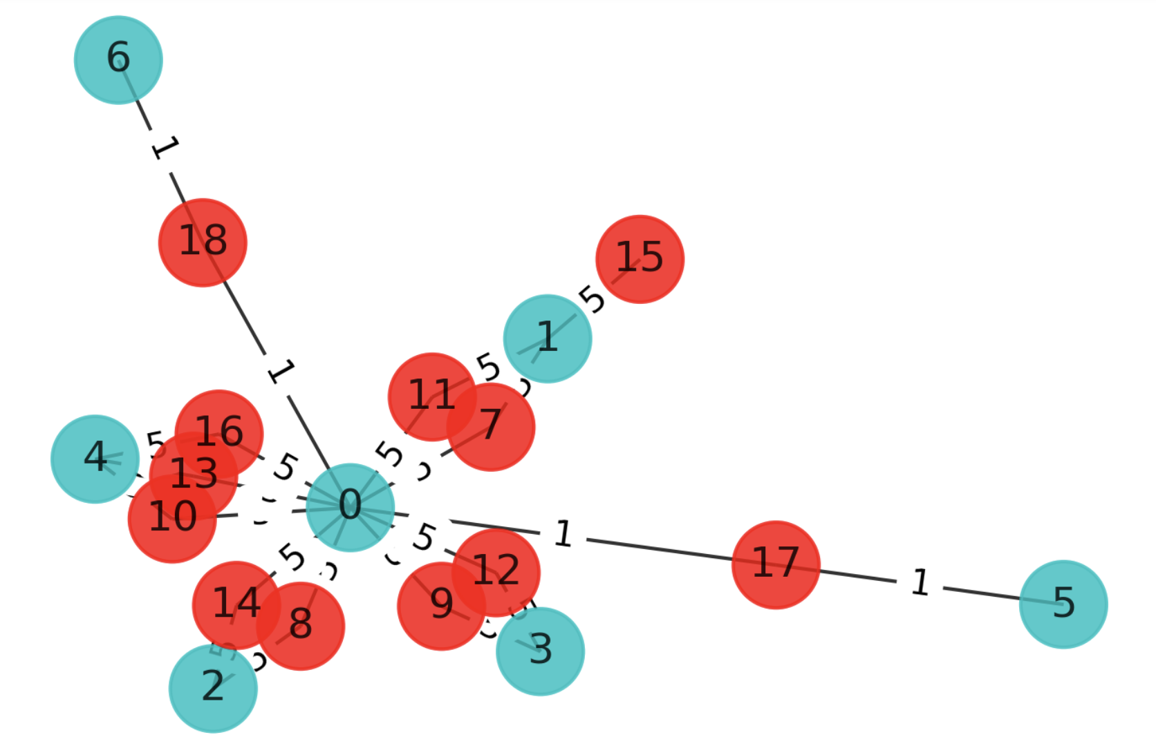

 |  | New Elist
 |  | [(0,6,x),(0,7,x),(0,8,x),(0,9,x),(0,10,x),(0,11,x),(0,12,1),(0,13,1),(1,6,x),(1,10,x),(2,7,x),(3,8,x),(3,9,x),(3,11,x),(4,12,1),(5,13,1)]
 |  |  | 0 | 1 | 2 | 3 | 4 | 5 | 6 | 7 | 8 | 9 | 10 | 11 | 12 | 13
 |  | 0 | 0 | 0 | 0 | 0 | 0 | 0 | 5 | 5 | 5 | 5 | 5 | 5 | 1 | 1 |  |  |  | 74.35400525 | 45.79.67.84:80 | United States | 5
 |  |  |  |  |  |  |  |  |  |  |  |  |  |  |  |  |  |  |  | 74.80171334 | 188.94.192.201 | CH | 5
 |  | 2 | 0 | 0 | 0 | 0 | 0 | 0 | 0 | 5 | 0 | 0 | 0 | 0 | 0 | 0 |  |  |  | 75.35083321 | 142.93.3.154:8080 | CA | 5
 |  | 5 | 0 | 0 | 0 | 0 | 0 | 0 | 0 | 0 | 0 | 0 | 0 | 0 | 0 | 1 |  |  |  | 83.41638057 | 142.93.3.154:8080 | CA | 5
 |  | 6 | 5 | 5 | 0 | 0 | 0 | 0 | 0 | 0 | 0 | 0 | 0 | 0 | 0 | 0 |  |  |  | 91.0413734 | 149.28.57.219:80 | United States | 5
 |  | 8 | 5 | 0 | 5 | 5 | 0 | 0 | 0 | 0 | 0 | 0 | 0 | 0 | 0 | 0 |  |  |  | 93.39698227 | 142.93.3.154:8080 | CA | 5
 |  | 9 | 5 | 0 | 0 | 5 | 0 | 0 | 0 | 0 | 0 | 0 | 0 | 0 | 0 | 0
 |  | 10 | 5 | 5 | 0 | 0 | 0 | 0 | 0 | 0 | 0 | 0 | 0 | 0 | 0 | 0
 |  | 11 | 5 | 0 | 0 | 5 | 0 | 0 | 0 | 0 | 0 | 0 | 0 | 0 | 0 | 0 |  |  |  | 77.326707 | 172.104.186.253 | Singapore | 1
 |  | 12 | 1 | 0 | 0 | 0 | 1 | 0 | 0 | 0 | 0 | 0 | 0 | 0 | 0 | 0 |  |  |  | 84.7143177 | 95.208.208.237 | Germany | 1
 |  | 13 | 1 | 0 | 0 | 0 | 0 | 1 | 0 | 0 | 0 | 0 | 0 | 0 | 0 | 0

 |  | [(0,6,5),(0,7,5),(0,8,5),(0,9,5),(0,10,5),(0,11,5),(0,12,1),(0,13,1),(1,6,5),(1,10,5),(2,7,5),(3,8,5),(3,9,5),(3,11,5),(4,12,1),(5,13,1)]

 |  |  |  |  | 0 | 1 | 2 | 3 | 4 | 5 | 6 | 7 | 8 | 9 | 10 | 11 | 12 | 13 |  |  | 1 US
 |  |  |  | 0 | 0 | 5 | 5 | 5 | 1 | 1 | 5 | 5 | 5 | 5 | 5 | 5 | 1 | 1 |  |  | 2 CH
 |  |  |  | 1 | 5 | 0 | 0 | 0 | 0 | 0 | 5 | 0 | 0 | 0 | 5 | 0 | 0 | 0 |  |  | 3 CA
 |  |  |  | 2 | 5 | 0 | 0 | 0 | 0 | 0 | 0 | 5 | 0 | 0 | 0 | 0 | 0 | 0 |  |  | 4 SING
 |  |  |  | 3 | 5 | 0 | 0 | 0 | 0 | 0 | 0 | 0 | 5 | 5 | 0 | 5 | 0 | 0 |  |  | 5 GERm
 |  |  |  | 4 | 1 | 0 | 0 | 0 | 0 | 0 | 0 | 0 | 0 | 0 | 0 | 0 | 1 | 0
 |  |  |  | 5 | 1 | 0 | 0 | 0 | 0 | 0 | 0 | 0 | 0 | 0 | 0 | 0 | 0 | 1
 |  |  |  | 6 | 5 | 5 | 0 | 0 | 0 | 0 | 0 | 0 | 0 | 0 | 0 | 0 | 0 | 0
 |  |  |  | 7 | 5 | 0 | 5 | 0 | 0 | 0 | 0 | 0 | 0 | 0 | 0 | 0 | 0 | 0
 |  |  |  | 8 | 5 | 0 | 0 | 5 | 0 | 0 | 0 | 0 | 0 | 0 | 0 | 0 | 0 | 0
 |  |  |  | 9 | 5 | 0 | 0 | 5 | 0 | 0 | 0 | 0 | 0 | 0 | 0 | 0 | 0 | 0
 |  |  |  | 10 | 5 | 5 | 0 | 0 | 0 | 0 | 0 | 0 | 0 | 0 | 0 | 0 | 0 | 0
 |  |  |  | 11 | 5 | 0 | 0 | 5 | 0 | 0 | 0 | 0 | 0 | 0 | 0 | 0 | 0 | 0
 |  |  |  | 12 | 1 | 0 | 0 | 0 | 1 | 0 | 0 | 0 | 0 | 0 | 0 | 0 | 0 | 0
 |  |  |  | 13 | 1 | 0 | 0 | 0 | 0 | 1 | 0 | 0 | 0 | 0 | 0 | 0 | 0 | 0

 |  |  |  | elist=[(0,1,5),(0,2,5),(0,3,5),(0,4,1),(0,5,1),(0,6,5),(0,7,5),(0,8,5),(0,9,5),(0,10,5),(0,11,5),(0,12,1),(0,13,1),(1,6,5),(1,10,5),(2,7,5),(3,8,5),(3,9,5),(3,11,5),(4,12,1),(5,13,1)]

VQE on crack
energy: -8.412945164107303 time: 1360.0123975276947 max-cut objective: -48.9129451641073 solution: [1. 0. 0. 0. 0. 0. 1. 0. 1. 0. 1. 1. 1. 1.] solution objective: 49.0

